Formula Breakdown
Reference Year | 2019

FORMULA BREAKDOWN
1st Friday of Each Month
01/04/19 | Fri | Jan 2019 | REAS | Project 1 | Monthly | Servicing And Security File received | Owner E | Dec | 12 | 2019 | 1st Friday of each month | Yes

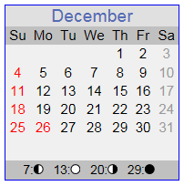
Final:
=TEXT(WORKDAY(CEILING(EOMONTH(DATE($C$1,1,1),-1)-5,7)+6-1,1),"MM/DD/YY") | 01/04/19 | Fri

=DATE(year, month, day)
Returns the number that represents the date in Microsoft Excel date-time code.
=DATE(2017,1,1) | 2017-01-01 | Sun

=EOMONTH(start_date, months)
Returns the serial number of the last day of the month before or after a specified number of months.
=EOMONTH(DATE(2017,1,1),-1) | 12/31/18 | Mon
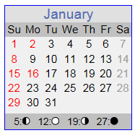
=EOMONTH(start_date, months)-5
=EOMONTH(DATE($C$1,1,1),-1)-5 | 12/26/18 | Wed

=CEILING(number, significance)
Rounds a number up, to the nearest integer or to the nearest multiple of significance.
=CEILING(EOMONTH(DATE($C$1,1,1),-1)-5,7) | 12/29/18 | Sat

=CEILING(number, significance) +6 -1
=TEXT(CEILING(DATE(2019,1,1),7)+6,"MM/DD/YY") | 01/12/19 | Sat

=WORKDAY(start_date, days, [holidays])
Returns the cerial number of the date before or after a specified number of workdays.
=WORKDAY(CEILING(EOMONTH(DATE($C$1,1,1),-1)-5,7)+6-1,1) | 01/04/19 | Fri

